Questions
Questions for Review:
1 | Site Numbers | Your method for selecting the quantities of sites is based on a percentage; this leaves rounding issues on the amount of sites, specifically Dire Dawa does not add correctly.
2 | Site locations | Some areas are very large for selection of sites. See points in table below:
 |  | The points on this table are not clear for where they should be.
 |  | Site A | Site B | Distance km | Comment:
 |  | Addis | Jijiga | 620 | Dire Dawa might be a better site for this.
 |  | Addis | Afar | 571 | Afar is a province, in a game reserve, looking at the way your diagram flows I’m assuming Mile is where you want this site to be?
 |  | Addis | Sidama | 323 | Again Sidama is a provincial/municipality place, I’m assuming this is Awassa?
 |  | Addis | Tigray | 949 | Tigray is also a province, is this meant to be Mek’ele
 |  | Addis | Kebri Dehar | 1173 | Kebri Dehar is quite far out in Somali province, It will be difficult to make this fibre run practically. The population of Somali is also extremely low; it might not be a practical use of funds for this run.
 |  | Addis | Jimma | 352 | Your ring diagram that shows where the rings are going do not pass through Jimma, they go through Metu Zuria, then bonga,
 |  | Afar | Tigray | 818
 |  | Jijiga | Kebri Dehar | 383
 |  | Sidama | Jimma | 370
 |  | Total |  | 5559

3 | MEC Sites and Tables | The text and the diagram conflict with each other. 3,4 (on Map) are Dire Dawa(5) and Jijiga(6) I assume? While 7,8 (on map) are west Gojjam (3)[Bahir Dar?] and east Gojjam (4)[Debree Markos?]
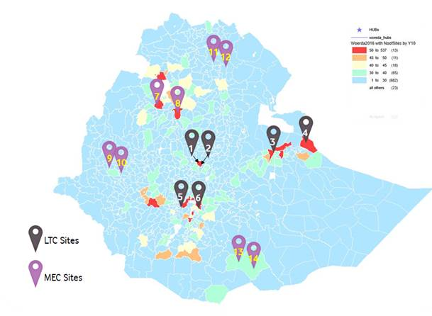
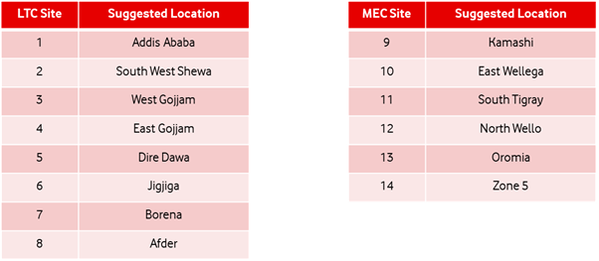

4 | Locations of Sites | Sites 13 and 14; appear to be in Fitu; are these for 5G services or their location to peering points, peering point for the southern tip to kenya is in Moyale; which is better served from Yabolo. Is this acceptable?
5 | Amount and location of MW Sites | Cisco is able to, and has in the Vodafone Network, used our switches as IDU's for microwave links. The question though would be what quantity of links would be required as microwave,
 |  | We should be able to use the clutter type and mix of sites to work out what is happening and how many approximate sites will be connected via MW, is this acceptable?

Wakanda TRSv1 (Transmission) | Section 1.2 | With regards to the hierarchial controller, are you intending one per domain, and then a single hierarcical controller managing each domain, Optica/Core/Transmission etc… or a single controller overall?
Wakanda TRSv1 (Transmission) | Section 1.3 | Where will the leased line access points be for this DWDM and OTN network? Is this intended to be through Ethiotel? Or some other 3rd party provider?
Wakanda TRSv1 (Transmission) | Section 1.3 | Can you provide the characteristics and requiremetns for this fibre? Will there be multiple fibres leased at a site for short reach options?
Wakanda TRSv1 (Transmission) | Section 1.3 | RAN Numbers are very high level; are there more granular Admin2/Admin3 level site numbers chosen?
Wakanda TRSv1 (Transmission) | Section 1.3 | What is your definition of Major City? Can you please provide a list.
Wakanda TRSv1 (Transmission) | Section 1.3 | The regional data centres are those listed in section 1.8?
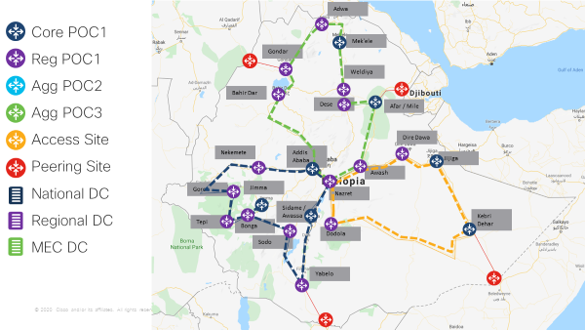
Wakanda TRSv1 (Transmission) | Section 1.3 | Will you be disaggregating the radio network? Will there be requirements for sites that will be hosting the BBU and future MEC applications?
Wakanda TRSv1 (Transmission) | Section 1.3 | With the network being proposed for 5G will there be any timing requirements
Wakanda TRSv1 (Transmission) | Section 1.4 | Ring topology is not clear, the Jimma site does not fall on the Blue ring as defined in your figure. Can we have a list of the major cities and sites that this passes through?
Wakanda TRSv1 (Transmission) | Section 1.4 | Some assumptions were made based on known fibre paths in the network; is this acceptable; or could you provide a more detailed map/site list. (See figure to right)
Wakanda TRSv1 (Transmission) | Section 1.4 | Are the sites listed in the table considered your POC1 sites; can there be additional sites for aggregating and connection to POC 2?
Wakanda TRSv1 (Transmission) | Section 1.4 /1.5 | If we roll up from the RAN access table then we would require that there are many regional sites brought in; what kind of facilities and capabilities would there be at these sites. The main requirement would be from the selection of hardened/non-hardened equipment and SFP's based on the need for cooling/air-flow/powersupply etc....
Wakanda TRSv1 (Transmission) | Section 1.5 | What portion/percentage and type of site are we specifically looking at. If I use the Tx BoQv3 document and the informaiton in the Clutter and height split, we see that there are sites that are listed as DeepRural/Dense Urban/Urban etc. With percentages alongside, we assume that these percentages account for the portion of sites which are of each kind in the year. If we are to link this to the requirement for Rural/Urban microwave and fibre connections, is there a breakdown on what percentage of Urban/SubUrban and so forth, have fibre connection?
Wakanda TRSv1 (Transmission) | Section 1.5 | Can you provide a site list for what is considered urban/rural and so forth.
Wakanda TRSv1 (Transmission) | Section 1.5 | Cisco does not have MW transmitters, but would you consider a split IDU/ODU configuration with the IDU providing end-to-end QoS and IP management?
Wakanda TRSv1 (Transmission) | Section 1.5 - Final Paragraph | Is this a request for a fibre design on a city level?
Wakanda TRSv1 (Transmission) | Section 1.5 - Final Paragraph | The request for increase without onsight intervention, is this a software tunable request?
Wakanda TRSv1 (Transmission) | Section 1.5 - Final Paragraph | Can you provide a list of what is considered a major city?
Wakanda TRSv1 (Transmission) | Section 1.5 - Final Paragraph | Can you provide a timeline for this project deployment? Or are the fibre cables already available?
Wakanda TRSv1 (Transmission) | Section 1.6 | This is the first mention of 5G in this document apaart from IP routing protocols, are there specific timing requirements we need to be aware of?
Wakanda TRSv1 (Transmission) | Section 1.6 | Have the timing requirements been defined for the transport/gps network? Are there any assumptions that Vodacom would like us to use on this?
Wakanda TRSv1 (Transmission) | Section 1.6 | Regarding the QOS Schema; is there one that Vodacom would prefer to use or is this up to Cisco best practices, this impacts buffer/queue/marking characteristics.
Wakanda TRSv1 (Transmission) | Section 1.6 | Do you know what services would be provided from the PE layer? This is for a scaleabiltiy and design view as well as the requirements for the performance and provisioning of said services.
Wakanda TRSv1 (Transmission) | Section 1.7 | This table does not correlate with the table from the TX BoQv3 which was included in the same folder, which is preferred?
Wakanda TRSv1 (Transmission) | Section 1.7 | in TX BoQv3, there is year 1-11; is year 1 == year 0 in this table?
Wakanda TRSv1 (Transmission) | Section 1.7 | Is there a more granular breakdown of the sites by suburb / admin-3
Wakanda TRSv1 (Transmission) | Section 1.8 | The numbering in the text and the diagram are not matching, can you please provide a more comprehensive list?
Wakanda TRSv1 (Transmission) | Section 1.8 | What are the proposed characteristics of the sites in terms of power/cooling/facilities? Can we assume that both MEC and LTC sites are similarly defined?
Wakanda TRSv1 (Transmission) | Section 1.8 | Sites 13/14 are appearing to be situated in Fitu, is this correct? Can we request they be located in Yabelo for the access to the peering? Internet breakout?
Wakanda TRSv1 (Transmission) | Section 1.8 | Internet breakout is discussed here, but there is no mention of the intention; Djibouti/Mogadishu/Bossaso are all landing points, are we assuming that we will have a diverse breakout at each point?
Wakanda TRSv1 (Transmission) | Section 1.8 | What internet peering requirements are there?
Wakanda TRSv1 (Transmission) | Section 1.8 | What is the requirement in terms of low-latency for a site to be considered such?
Wakanda TRSv1 (Transmission) | Section 1.8 | Will you be disaggregating the radio network? If so; there will there be virual BBU controller sites? Will this need to be accounted for in the access design as they have strict distance/timing requirements?
Wakanda TRSv1 (Transmission) | Section 1.8 | What kind of connectivity is required between redundant sites, will specific fibre channel connections be provided or will the IP transmission network be used for interconnect? Or can we request these links?
Wakanda TRSv1 (Transmission) | GENERAL | No mention is made of specific security requirements for the transport network; in section 1.1 there is a point on Zero Touch; which is possible through the controller; but would increase the need for a robust security architecture. What is the view of security and its position in the network?
Wakanda TRSv1 (Transmission) | GENERAL | Depending on the architecture for the datacentre and controllers, security should form a comprehensive portion of the network rollout plan core, specifically in terms of application awareness and ability to link to other portions and controllers in the network; what is the design principles on this?
Wakanda TRSv1 (Transmission) | GENERAL | What SDN use cases are you considering for Ethiopia? The standard vodafone grouping?

